Sheet10
Issue
 | To avoid misunderstanding, I describe the processing details below, please confirm. Thank you!

1 | At "Snap Short Report" screen, When User clicks [Gen log data] button, Go to "Generate Report" screen and put search criteria same as Snap shot Screen as Default
 | The "Generate Report" screen is only accessible through this action. The default screen is loaded as follows
1. This value is chosen from "Snap shot report" screen and Disabled
Single search, Default Time Range are checked.

•
Single search
Multiple search
3. "From date" and "To date" will be load follow the rule below. All are disabled.
VIN
VIN0001

Default Time Range
•
Customize

⁄
Report
 |  |  | The Rule for each report
2. Report is checked and always disabled.
All log types are checked. Users can uncheck it.
GENERAL_SERVICE
⁄
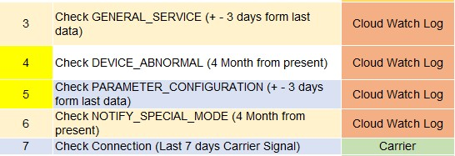
⁄
DEVICE_ABNORMAL
PARAMETER_CONFIGURATION
⁄

NOTIFY_SPECIAL_MODE
⁄
DEALER WARNING
⁄

 |  | Q1 | Your answer at QA8 confused me.
 |  |  | What is the report "Check Connection" at No. 7? How about a "DEALER WARNING" report?

 |  | Q2 | About option "+ - 3 days from the last data". The "last data" is not the present day (today).
 |  |  | Example: "last data" = 2023/01/27 => time range will be 2023/01/24 ~ 2023/01/30
 |  |  | how can I get/check the last data?

2 | When users change to [Customize]
1. The controls are still disabled because Single search is still selected.

•
Single search
Multiple search

VIN
VIN0001

Default Time Range
Customize
•

⁄
Report
2. Users can change it.
GENERAL_SERVICE
⁄
DEVICE_ABNORMAL
PARAMETER_CONFIGURATION
3. "From date" and "To date" are enabled, users can change it.

NOTIFY_SPECIAL_MODE
⁄
DEALER WARNING
⁄
 |  | Q3 | what is the maximum total number of days a user can be selected? (for each log type)
 |  |  | ANS : Can it be configurate in some table so for currenly 365 days

3 | When User clicks [Multiple search]
1. Controls will change to Enabled. Users can edit selected values and re-input here.

Single search
•
Mutiple search

VIN
VIN0001

Default Time Range
•
Customize

⁄
Report
3. If users back to "Default Time Range", the default values "from date", "to date" will be reset (see No (1))
2. Users can change it.
GENERAL_SERVICE
⁄
⁄
DEVICE_ABNORMAL
PARAMETER_CONFIGURATION
⁄

NOTIFY_SPECIAL_MODE
⁄
DEALER WARNING
⁄

Sheet9
Issue
1 | When User clicks [Gen log data] button, I understand that: the screen will go to [Report Monitoring] screen after processing.
 | What do you mean "Generate Report" ?
 | Which screen will you go to after processing?

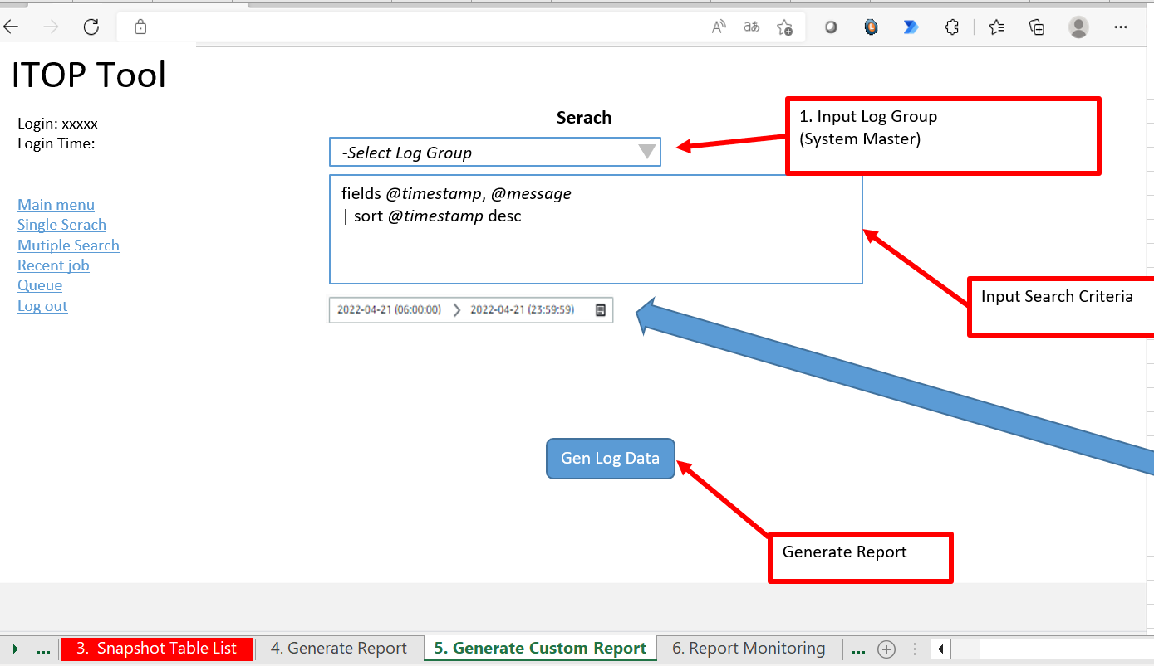

 | ANS : When user click Gen Log Data, It should display pop-up such as Successfull put generate report into Queue, Please refer to report monitoring screen for more detail.
 | after click pop up, it still remain on this screen. Report should be generate back-end by different thread.

Sheet8
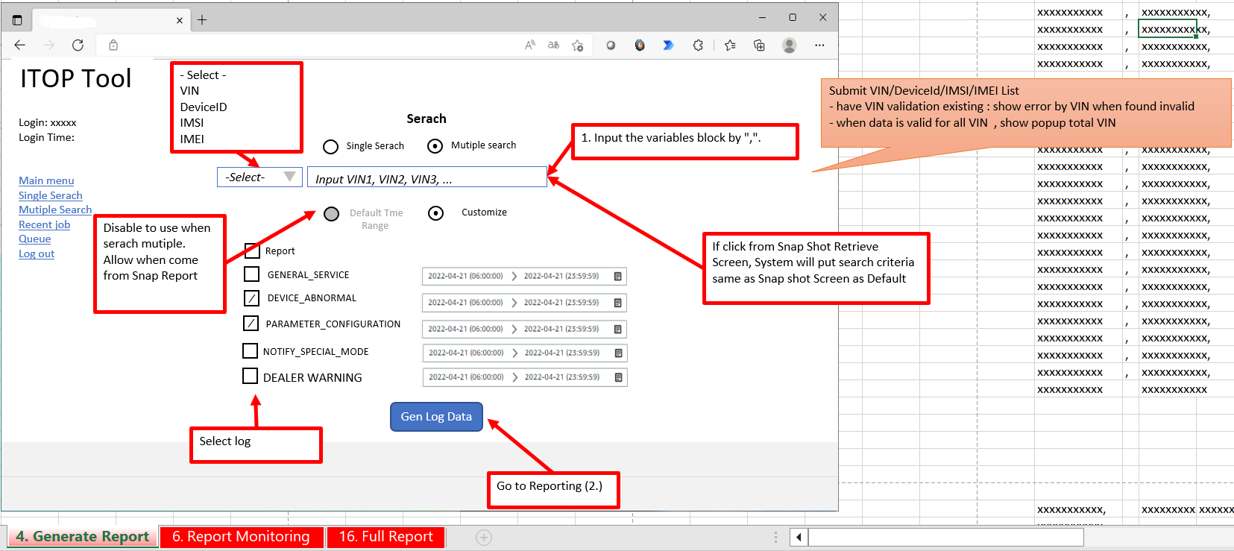
Issue
1 | At the [Snap Report] screen, When User clicks [Gen log] button to forward [Generate Report] screen
 | The default value will be set at the initiation screen:
 |  | Radio [Single search]: Checked
 |  | Radio [Default time range]: Checked
 |  | Time range: 06:00:00 to 23:59:59
 |  | All check box report and log types (Report, GENERAL_SERVICE …): Checked and Disabled

 |  | ANS : Please wait for me to confirm.

2 | When Radio [Single search]: Checked
 | Can User choose to radio [Customize] and change the check box report and log types, change from date, to date?
 | I think that can be changed by User.

 |  | ANS : Yes this is correct

3 | When Radio [Multiple search]: Checked
 | Radio [Default time range]: Disable (can not choose)
 | Radio [Customize]: Checked
 | I think we should enable Radio [Default time range], User can choose it to get default for all VIN. Please confirm.

 |  | ANS: We will change from radio to Button "Default Time Range" and it can customize the date time, but if need back to show the default date time it can click the button "Default Time Range"

 |  | The Rule for each report

 |  |  | + - 3 days from last data

4 | When User clicks [Gen log data] button, I understand that: the screen will go to [Report Monitoring] screen after processing.
 | What do you mean "Go to Reporting (2.)" ?

 |  | ANS: Report (2.) mean the sheet name now no have the sheet name "Report(2.)"

Sheet7
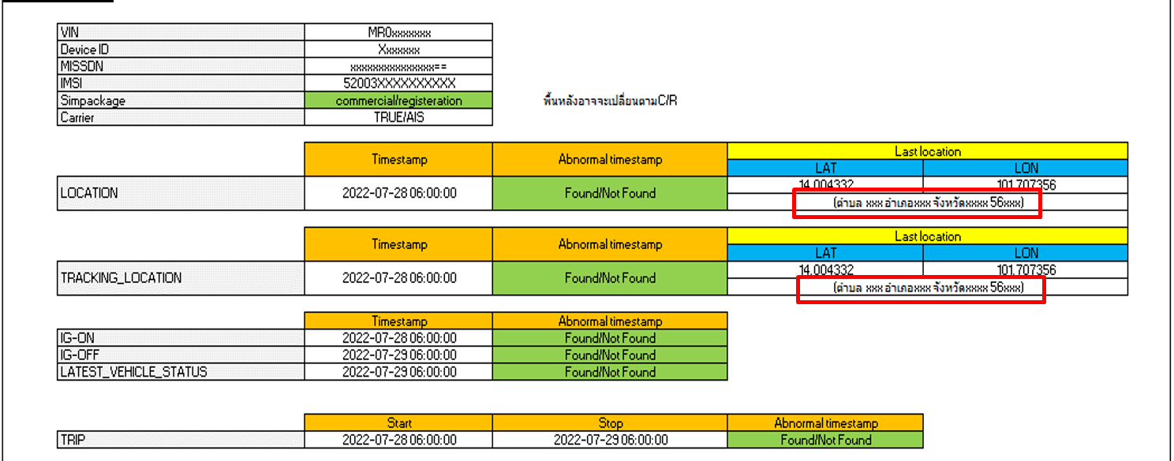
Issue

1 | The address gets via Google API which is paid service.
 | Please concern about this point. If you have any changes to this requirement, please let me know soon.

 | ANS : You can set it as blank for this information.

Sheet6
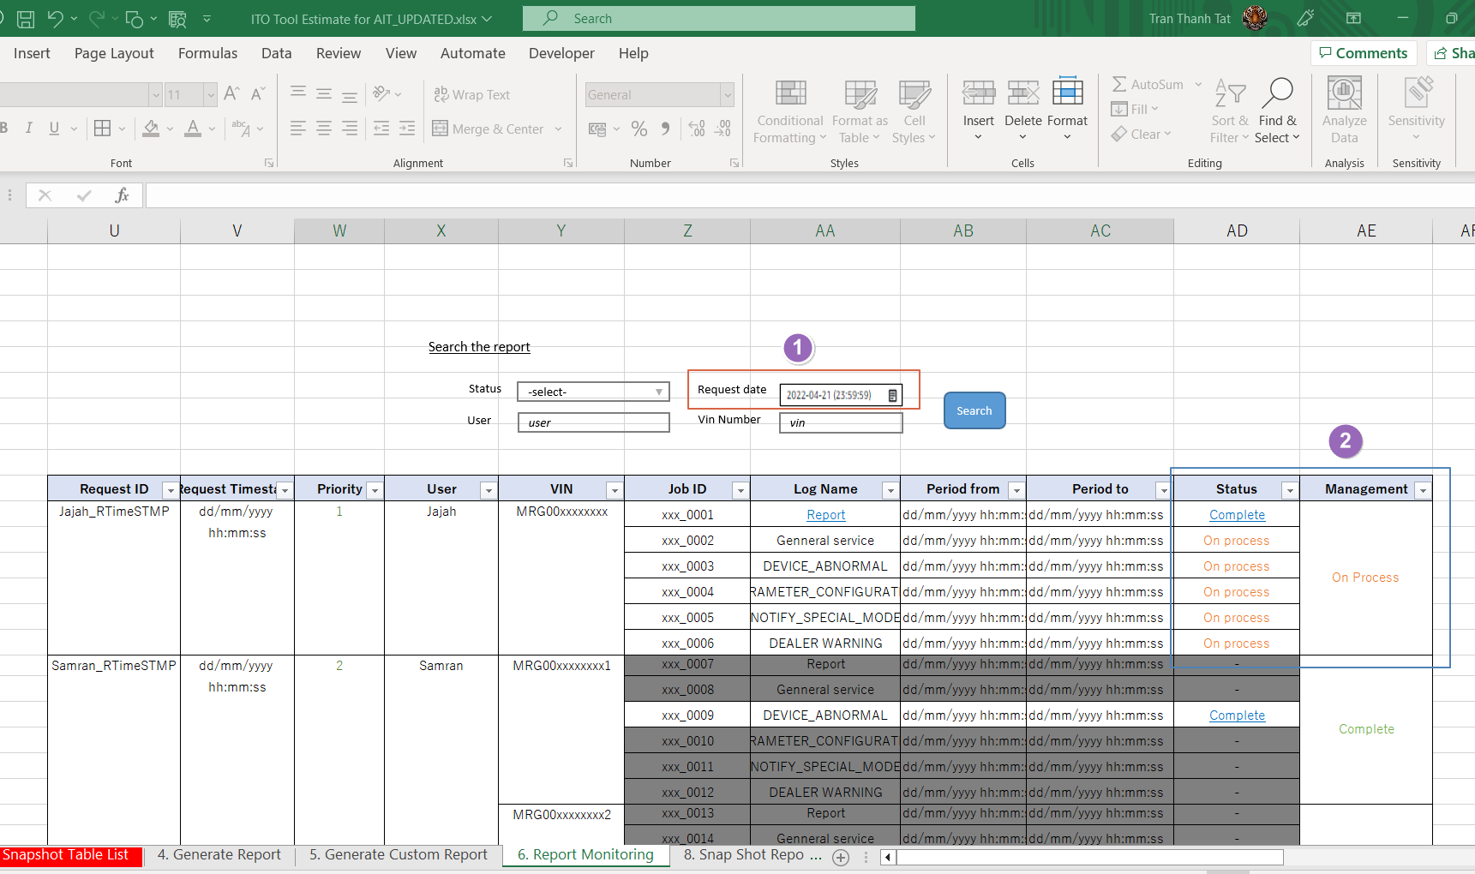
Issue
1 | I think Search condition "Request Data" should have 2 inputs "From Date" - "To Date"
 | Mandatory input fields: only "Request Data"

 | Ans For this, It allow only see data only for 1 day. From To may cause slow performace if period is too big. (Mostly user will see data that generate today.)

2 | In column Management: When all reports are completed, the link "Completed" will be active.
 | Users click this link to download all reports in 1 zip file.
 | Do you have any idea? Please let me know.

 | ANS They want to seperate becasue they can download some report to continue their work first. No need to wait for all report.
 | but after finish you can make as 1 ZIP in Management column for download all that is ok also.

Sheet5
Issue
1 | In the "Generate Report" screen, there is no VIN field. so, when the request displayed on the "Report Monitoring" screen, the VIN column will be empty
 | Please confirm this point.

 | Ans For Customer Report, Please set it as blank.

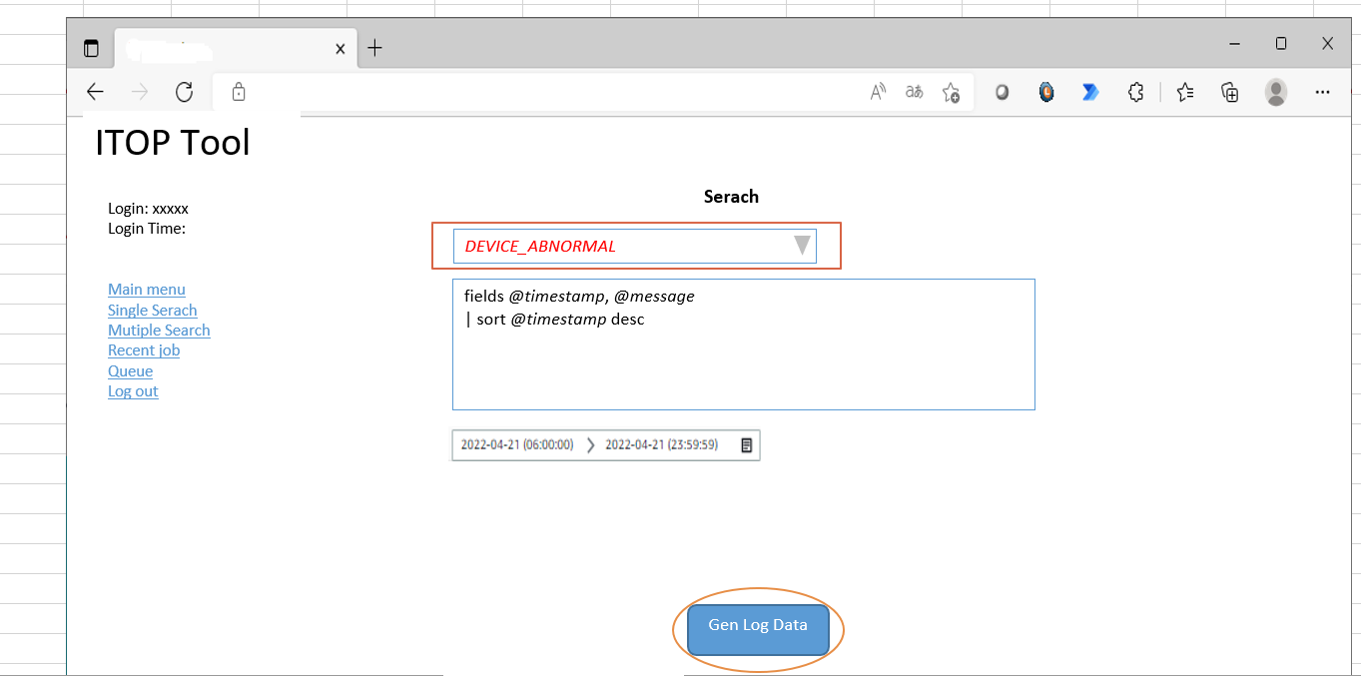

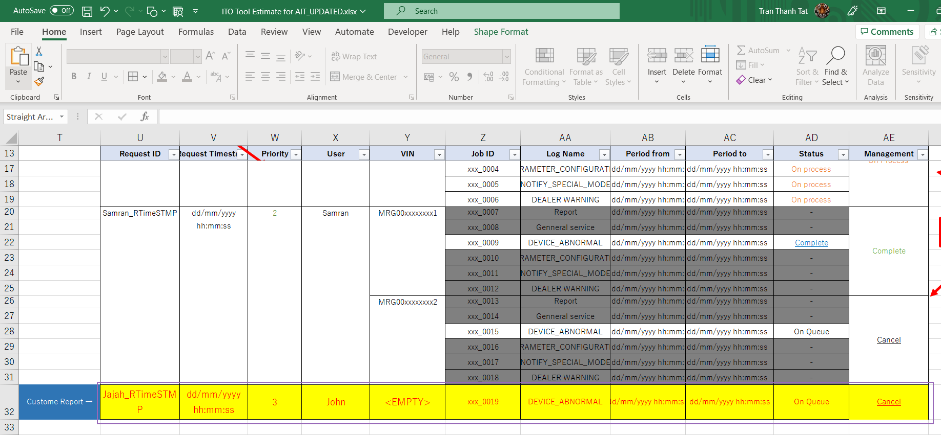

 |  | Dữ liệu đăng ký từ màn hình Custome Report sẽ có VIN = EMPTY ?

Sheet4
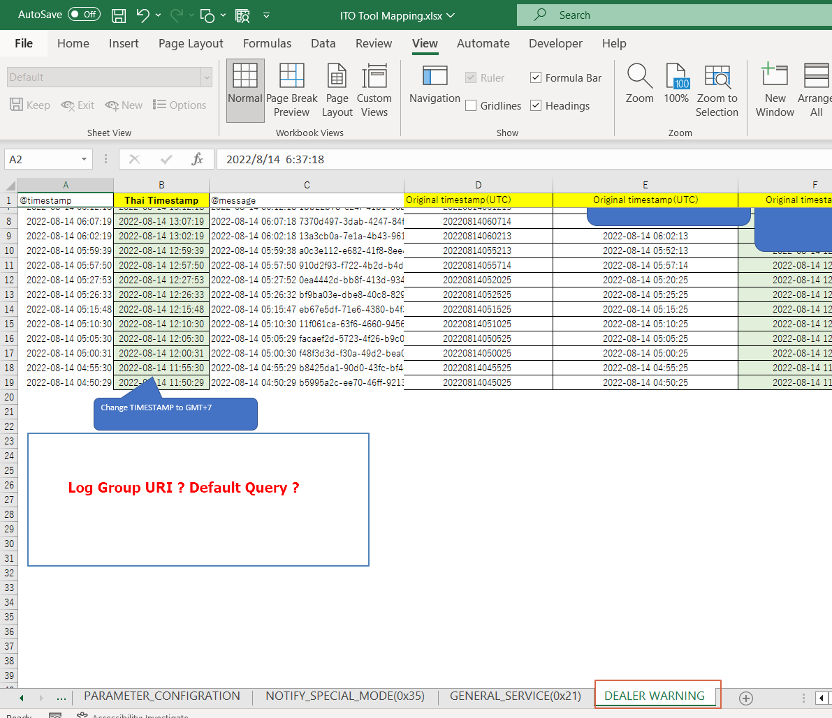
Issue

1 | In ITO Tool Mapping, Sheet DEALER_WARINING, The specification for default query is missing.
 | Please add more information.

 | ANS | Log Group URI : /aws/lambda/com-DEALER_WARNING
 |  | Default query
 |  |  | fields @timestamp, @message
 |  |  | | sort @timestamp desc
 |  |  | | limit 10000
 |  |  | | filter @message like /MRxxxxxxxxxxxxxxx/
 |  |  | and @message like 'Common header'

Sheet3
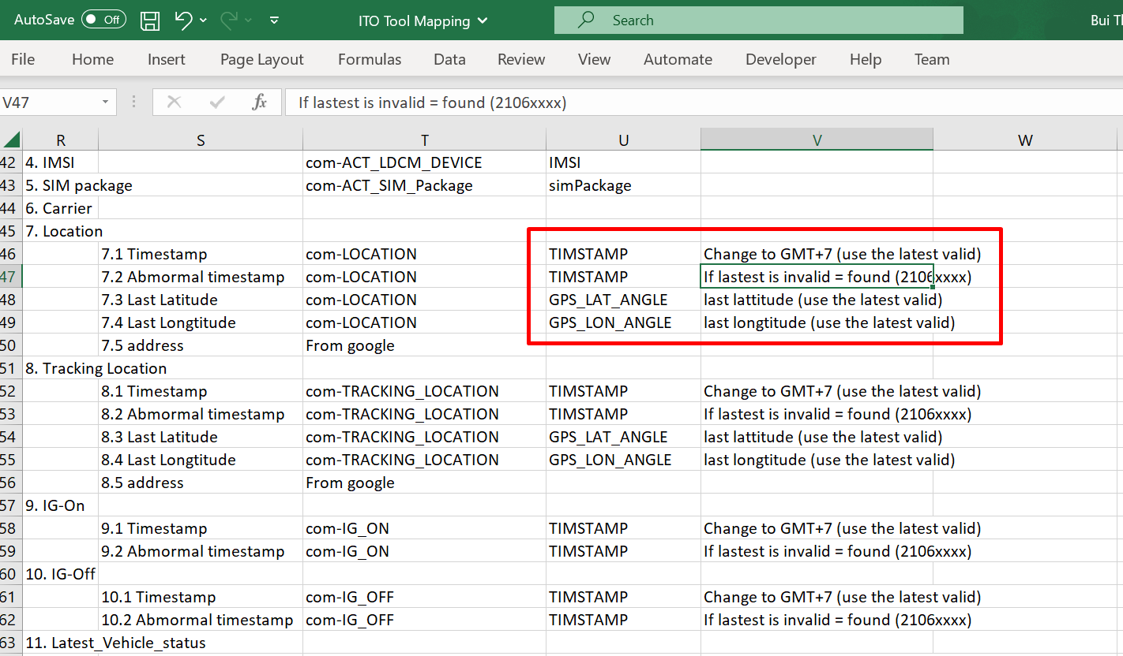
Issue

 | About validate timestamp
1 | I understand that: Timestamp is VALID if the value matches the pattern in the correct format yyyyMMddhhmmss.
 | Please confirm for me. Thanks!

 | ANS Invalid TimeStamp is Timestamp start with 2106XXXX

Sheet2
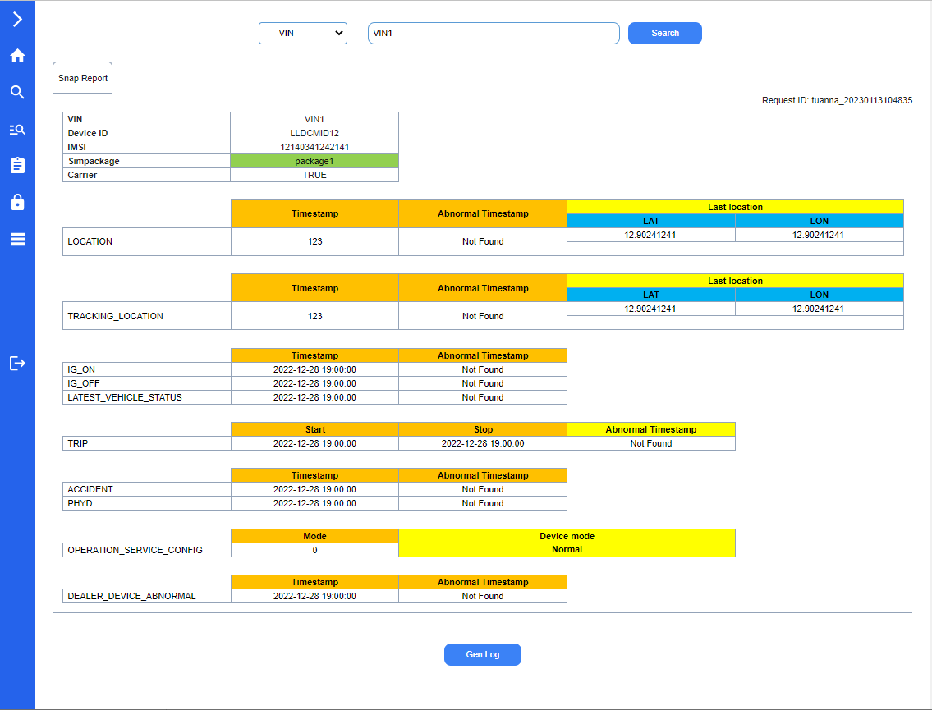
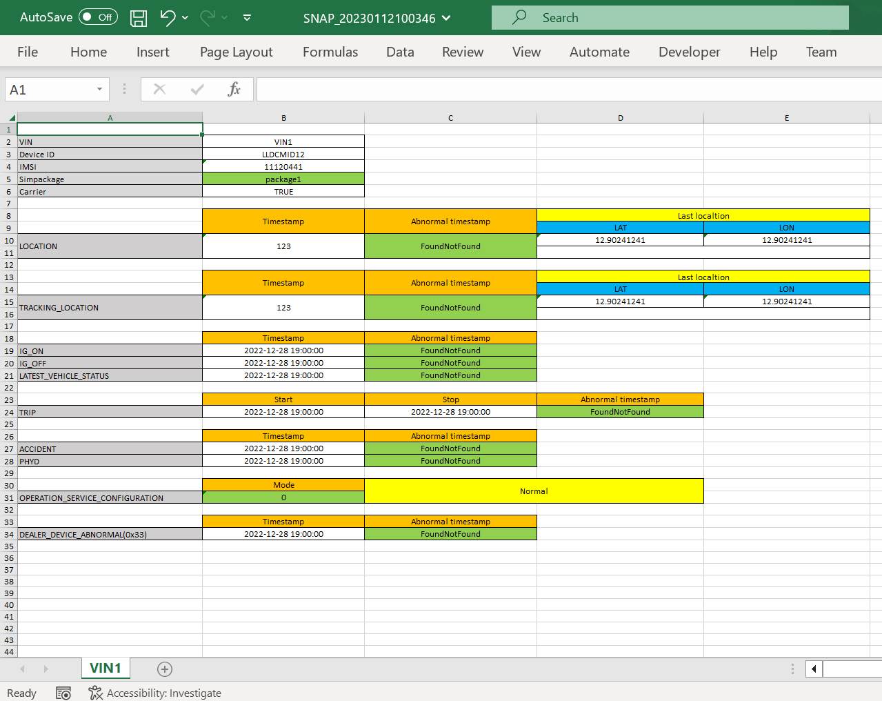
Issue

1 | About the colors on the report, I am also doing the same as the document you sent. This function on the web cannot be changed manually.
1.1 | Can I change these colors to be suitable for the website theme?
 | ANS Base by below, It is OK

1.2 | Do you need to manually adjust this color?
 | ANS If customer is ok with this colortheme, It is no need to manually change. it will fixed by that color

2 | The snapshot report will be exported to excel according to the available excel template
2.1 | Are the colors and layout (at this function on the web) required to be the same as the excel template?
 | ANS Please make it similar, but may not excatly the same, but base by below of On Web look. It is ok.

2.2 | If the excel template has been changed, does this function on the web reflect that automatically?
 | In my opinion, it is not necessary. Please confirm.
 | ANS Yes, It is not neccessary. Actually Template should not bechange after we go-live. If there is request to change, We need to estimate again.

3 | About Request ID field
3.1 | How is the format of the "Request ID"?
 | Is the format "user yyyyMMddhhmmss" ok?

 | ANS you can remove the "Request ID" on snapshot screen because will use on the monitor screen instead.

3.2 | I think the "Request ID" here is unnecessary. It will be generated automatically on the request report screen and displayed on the "Report Monitoring" screen.
 | Please explain more. Thank you.

 | ANS you can remove the "Request ID" on snapshot screen because will use on the monitor screen instead.

 | On Web look like | Snapshot Report in Excel

Sheet1
Issue
1 | How to retrieve overall information (4 fields). (number of the vehicle, number of the impacted vehicle, etc.)

 | ANS Count Record from CUSTOMER_VEHICLE which delete
 |  | (Delete Flag is not exists)

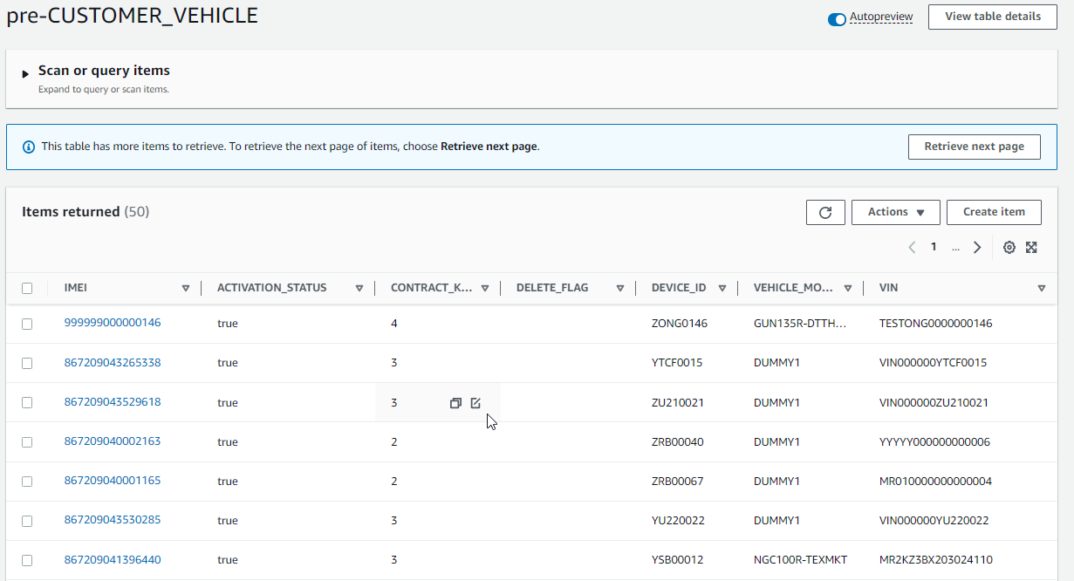

2
1

2 | Is there any other information besides this?
 | Could you please explain this to me?

 | ANS | You can remove "Total CAL Lost Communication" column

DEALER WARNING
Cut string GPS value
@timestamp | Thai Timestamp | @message | Original timestamp(UTC) | Original timestamp(UTC) | Original timestamp(TH) | totalDistance | fuelLevel | GPS
2022-08-14 | 2022-08-14 | 2022-08-14 06:37:18 18d10af8-ff6a-4936-812c-7ebd91270288 DEBUG LambdaFunctionHandler:222 - MR0CB8CB704271988_20220814063713 D_000 requestJson: { |vin| : |MR0CB8CB704271988|, |timestamp| : |2022-08-14T13:37:13+07:00|, |gps| : |6.045494,101.996470|, |totalDistance| : 71778.0, |fuelLevel| : 59.5, |warningList| : [ { |wngCode| : |Malfunction Indicator light|, |wngValue| : |0| }, { |wngCode| : |ABS Warning Light|, |wngValue| : |0| }, { |wngCode| : |Brake Warning Light|, |wngValue| : |0| }, { |wngCode| : |+B Voltage Value|, |wngValue| : |13.8| }, { |wngCode| : |Coolant Temperature|, |wngValue| : |84.5| }, { |wngCode| : |Oil Level Switch|, |wngValue| : |0| }, { |wngCode| : |Oil Pressure Switch|, |wngValue| : |0| } ] } | 20220814063713 | 2022-08-14 | 2022-08-14 | 71778 | 59.5 | 6.045494,101.996470
2022-08-14 | 2022-08-14 | 2022-08-14 06:32:18 9a29fe0e-a0d2-46fc-af65-e209640332ae DEBUG LambdaFunctionHandler:222 - MR0CB8CB704271988_20220814063213 D_000 requestJson: { |vin| : |MR0CB8CB704271988|, |timestamp| : |2022-08-14T13:32:13+07:00|, |gps| : |6.032643,101.976413|, |totalDistance| : 71776.0, |fuelLevel| : 19.5, |warningList| : [ { |wngCode| : |Malfunction Indicator light|, |wngValue| : |0| }, { |wngCode| : |ABS Warning Light|, |wngValue| : |0| }, { |wngCode| : |Brake Warning Light|, |wngValue| : |0| }, { |wngCode| : |+B Voltage Value|, |wngValue| : |13.8| }, { |wngCode| : |Coolant Temperature|, |wngValue| : |83| }, { |wngCode| : |Oil Level Switch|, |wngValue| : |0| }, { |wngCode| : |Oil Pressure Switch|, |wngValue| : |0| } ] } | 20220814063213 | 2022-08-14 | 2022-08-14 | 71776 | 19.5 | 6.032643,101.976413
Cut String Original timestamp
Change Original timestamp to date format
2022-08-14 | 2022-08-14 | 2022-08-14 06:27:18 76cb95ab-3706-4c93-ad71-fb7ede9f7473 DEBUG LambdaFunctionHandler:222 - MR0CB8CB704271988_20220814062713 D_000 requestJson: { |vin| : |MR0CB8CB704271988|, |timestamp| : |2022-08-14T13:27:13+07:00|, |gps| : |6.019724,101.945937|, |totalDistance| : 71771.0, |fuelLevel| : 18.0, |warningList| : [ { |wngCode| : |Malfunction Indicator light|, |wngValue| : |0| }, { |wngCode| : |ABS Warning Light|, |wngValue| : |0| }, { |wngCode| : |Brake Warning Light|, |wngValue| : |0| }, { |wngCode| : |+B Voltage Value|, |wngValue| : |13.8| }, { |wngCode| : |Coolant Temperature|, |wngValue| : |85| }, { |wngCode| : |Oil Level Switch|, |wngValue| : |0| }, { |wngCode| : |Oil Pressure Switch|, |wngValue| : |0| } ] } | 20220814062713 | 2022-08-14 | 2022-08-14 | 71771 | 18.0 | 6.019724,101.945937
2022-08-14 | 2022-08-14 | 2022-08-14 06:22:18 3c0df301-7783-40eb-b7bd-f706f5ee80ad DEBUG LambdaFunctionHandler:222 - MR0CB8CB704271988_20220814062213 D_000 requestJson: { |vin| : |MR0CB8CB704271988|, |timestamp| : |2022-08-14T13:22:13+07:00|, |gps| : |5.985724,101.935918|, |totalDistance| : 71766.0, |fuelLevel| : 19.0, |warningList| : [ { |wngCode| : |Malfunction Indicator light|, |wngValue| : |0| }, { |wngCode| : |ABS Warning Light|, |wngValue| : |0| }, { |wngCode| : |Brake Warning Light|, |wngValue| : |0| }, { |wngCode| : |+B Voltage Value|, |wngValue| : |13.9| }, { |wngCode| : |Coolant Temperature|, |wngValue| : |84| }, { |wngCode| : |Oil Level Switch|, |wngValue| : |0| }, { |wngCode| : |Oil Pressure Switch|, |wngValue| : |0| } ] } | 20220814062213 | 2022-08-14 | 2022-08-14 | 71766 | 19.0 | 5.985724,101.935918
Change Original timestamp GMT+7
2022-08-14 | 2022-08-14 | 2022-08-14 06:17:48 d0faf4da-c79b-4d90-9805-35e4d4cb6c4a DEBUG LambdaFunctionHandler:222 - MR0CB8CB704271988_20220814061713 D_000 requestJson: { |vin| : |MR0CB8CB704271988|, |timestamp| : |2022-08-14T13:17:13+07:00|, |gps| : |5.931856,101.908029|, |totalDistance| : 71758.0, |fuelLevel| : 22.0, |warningList| : [ { |wngCode| : |Malfunction Indicator light|, |wngValue| : |0| }, { |wngCode| : |ABS Warning Light|, |wngValue| : |0| }, { |wngCode| : |Brake Warning Light|, |wngValue| : |0| }, { |wngCode| : |+B Voltage Value|, |wngValue| : |13.8| }, { |wngCode| : |Coolant Temperature|, |wngValue| : |84.5| }, { |wngCode| : |Oil Level Switch|, |wngValue| : |0| }, { |wngCode| : |Oil Pressure Switch|, |wngValue| : |0| } ] } | 20220814061713 | 2022-08-14 | 2022-08-14 | 71758 | 22.0 | 5.931856,101.908029
Cut string fuel Level value
2022-08-14 | 2022-08-14 | 2022-08-14 06:12:18 1bb22b78-e24f-41b1-90a7-845d9c5ea259 DEBUG LambdaFunctionHandler:222 - MR0CB8CB704271988_20220814061213 D_000 requestJson: { |vin| : |MR0CB8CB704271988|, |timestamp| : |2022-08-14T13:12:13+07:00|, |gps| : |5.926726,101.883870|, |totalDistance| : 71752.0, |fuelLevel| : 20.0, |warningList| : [ { |wngCode| : |Malfunction Indicator light|, |wngValue| : |0| }, { |wngCode| : |ABS Warning Light|, |wngValue| : |0| }, { |wngCode| : |Brake Warning Light|, |wngValue| : |0| }, { |wngCode| : |+B Voltage Value|, |wngValue| : |13.8| }, { |wngCode| : |Coolant Temperature|, |wngValue| : |84| }, { |wngCode| : |Oil Level Switch|, |wngValue| : |0| }, { |wngCode| : |Oil Pressure Switch|, |wngValue| : |0| } ] } | 20220814061213 | 2022-08-14 | 2022-08-14 | 71752 | 20.0 | 5.926726,101.883870
2022-08-14 | 2022-08-14 | 2022-08-14 06:07:18 7370d497-3dab-4247-84f4-d989d9b0d4f4 DEBUG LambdaFunctionHandler:222 - MR0CB8CB704271988_20220814060714 D_000 requestJson: { |vin| : |MR0CB8CB704271988|, |timestamp| : |2022-08-14T13:07:13+07:00|, |gps| : |5.928250,101.880658|, |totalDistance| : 71752.0, |fuelLevel| : 19.0, |warningList| : [ { |wngCode| : |Malfunction Indicator light|, |wngValue| : |0| }, { |wngCode| : |ABS Warning Light|, |wngValue| : |0| }, { |wngCode| : |Brake Warning Light|, |wngValue| : |0| }, { |wngCode| : |+B Voltage Value|, |wngValue| : |13.7| }, { |wngCode| : |Coolant Temperature|, |wngValue| : |84.5| }, { |wngCode| : |Oil Level Switch|, |wngValue| : |0| }, { |wngCode| : |Oil Pressure Switch|, |wngValue| : |0| } ] } | 20220814060714 | 2022-08-14 | 2022-08-14 | 71752 | 19.0 | 5.928250,101.880658
2022-08-14 | 2022-08-14 | 2022-08-14 06:02:18 13a3cb0a-7e1a-4b43-9614-9c8afab7b974 DEBUG LambdaFunctionHandler:222 - MR0CB8CB704271988_20220814060213 D_000 requestJson: { |vin| : |MR0CB8CB704271988|, |timestamp| : |2022-08-14T13:02:13+07:00|, |gps| : |5.929491,101.858556|, |totalDistance| : 71748.0, |fuelLevel| : 24.5, |warningList| : [ { |wngCode| : |Malfunction Indicator light|, |wngValue| : |0| }, { |wngCode| : |ABS Warning Light|, |wngValue| : |0| }, { |wngCode| : |Brake Warning Light|, |wngValue| : |0| }, { |wngCode| : |+B Voltage Value|, |wngValue| : |13.8| }, { |wngCode| : |Coolant Temperature|, |wngValue| : |83.5| }, { |wngCode| : |Oil Level Switch|, |wngValue| : |0| }, { |wngCode| : |Oil Pressure Switch|, |wngValue| : |0| } ] } | 20220814060213 | 2022-08-14 | 2022-08-14 | 71748 | 24.5 | 5.929491,101.858556
2022-08-14 | 2022-08-14 | 2022-08-14 05:59:38 a0c3e112-e682-41f8-8ee4-6f351800cd3b DEBUG LambdaFunctionHandler:222 - MR0CB8CB704271988_20220814055213 D_000 requestJson: { |vin| : |MR0CB8CB704271988|, |timestamp| : |2022-08-14T12:52:13+07:00|, |gps| : |5.943945,101.794360|, |totalDistance| : 71739.0, |fuelLevel| : 22.5, |warningList| : [ { |wngCode| : |Malfunction Indicator light|, |wngValue| : |0| }, { |wngCode| : |ABS Warning Light|, |wngValue| : |0| }, { |wngCode| : |Brake Warning Light|, |wngValue| : |0| }, { |wngCode| : |+B Voltage Value|, |wngValue| : |13.8| }, { |wngCode| : |Coolant Temperature|, |wngValue| : |84| }, { |wngCode| : |Oil Level Switch|, |wngValue| : |0| }, { |wngCode| : |Oil Pressure Switch|, |wngValue| : |0| } ] } | 20220814055213 | 2022-08-14 | 2022-08-14 | 71739 | 22.5 | 5.943945,101.794360
2022-08-14 | 2022-08-14 | 2022-08-14 05:57:50 910d2f93-f722-4b2d-b4d5-a124fbd68dae DEBUG LambdaFunctionHandler:222 - MR0CB8CB704271988_20220814055714 D_000 requestJson: { |vin| : |MR0CB8CB704271988|, |timestamp| : |2022-08-14T12:57:13+07:00|, |gps| : |5.935542,101.816302|, |totalDistance| : 71743.0, |fuelLevel| : 18.5, |warningList| : [ { |wngCode| : |Malfunction Indicator light|, |wngValue| : |0| }, { |wngCode| : |ABS Warning Light|, |wngValue| : |0| }, { |wngCode| : |Brake Warning Light|, |wngValue| : |0| }, { |wngCode| : |+B Voltage Value|, |wngValue| : |13.8| }, { |wngCode| : |Coolant Temperature|, |wngValue| : |83| }, { |wngCode| : |Oil Level Switch|, |wngValue| : |0| }, { |wngCode| : |Oil Pressure Switch|, |wngValue| : |0| } ] } | 20220814055714 | 2022-08-14 | 2022-08-14 | 71743 | 18.5 | 5.935542,101.816302
2022-08-14 | 2022-08-14 | 2022-08-14 05:27:52 0ea4442d-bb8f-413d-934a-77e561cf390a DEBUG LambdaFunctionHandler:222 - MR0CB8CB704271988_20220814052025 D_000 requestJson: { |vin| : |MR0CB8CB704271988|, |timestamp| : |2022-08-14T12:20:24+07:00|, |gps| : |5.941655,101.813383|, |totalDistance| : 71729.0, |fuelLevel| : 28.5, |warningList| : [ { |wngCode| : |Malfunction Indicator light|, |wngValue| : |0| }, { |wngCode| : |ABS Warning Light|, |wngValue| : |0| }, { |wngCode| : |Brake Warning Light|, |wngValue| : |0| }, { |wngCode| : |+B Voltage Value|, |wngValue| : |13.8| }, { |wngCode| : |Coolant Temperature|, |wngValue| : |85.5| }, { |wngCode| : |Oil Level Switch|, |wngValue| : |0| }, { |wngCode| : |Oil Pressure Switch|, |wngValue| : |0| } ] } | 20220814052025 | 2022-08-14 | 2022-08-14 | 71729 | 28.5 | 5.941655,101.813383
Cut string total Distance value
2022-08-14 | 2022-08-14 | 2022-08-14 05:26:32 bf9ba03e-dbe8-40c8-8293-e5480a834886 DEBUG LambdaFunctionHandler:222 - MR0CB8CB704271988_20220814052525 D_000 requestJson: { |vin| : |MR0CB8CB704271988|, |timestamp| : |2022-08-14T12:25:24+07:00|, |gps| : |5.937135,101.790030|, |totalDistance| : 71734.0, |fuelLevel| : 23.0, |warningList| : [ { |wngCode| : |Malfunction Indicator light|, |wngValue| : |0| }, { |wngCode| : |ABS Warning Light|, |wngValue| : |0| }, { |wngCode| : |Brake Warning Light|, |wngValue| : |0| }, { |wngCode| : |+B Voltage Value|, |wngValue| : |13.8| }, { |wngCode| : |Coolant Temperature|, |wngValue| : |83| }, { |wngCode| : |Oil Level Switch|, |wngValue| : |0| }, { |wngCode| : |Oil Pressure Switch|, |wngValue| : |0| } ] } | 20220814052525 | 2022-08-14 | 2022-08-14 | 71734 | 23.0 | 5.937135,101.790030
2022-08-14 | 2022-08-14 | 2022-08-14 05:15:47 eb67e5df-71e6-4380-b4f3-fd92e9a26f9f DEBUG LambdaFunctionHandler:222 - MR0CB8CB704271988_20220814051525 D_000 requestJson: { |vin| : |MR0CB8CB704271988|, |timestamp| : |2022-08-14T12:15:24+07:00|, |gps| : |5.930791,101.853772|, |totalDistance| : 71724.0, |fuelLevel| : 26.5, |warningList| : [ { |wngCode| : |Malfunction Indicator light|, |wngValue| : |0| }, { |wngCode| : |ABS Warning Light|, |wngValue| : |0| }, { |wngCode| : |Brake Warning Light|, |wngValue| : |0| }, { |wngCode| : |+B Voltage Value|, |wngValue| : |13.9| }, { |wngCode| : |Coolant Temperature|, |wngValue| : |84| }, { |wngCode| : |Oil Level Switch|, |wngValue| : |0| }, { |wngCode| : |Oil Pressure Switch|, |wngValue| : |0| } ] } | 20220814051525 | 2022-08-14 | 2022-08-14 | 71724 | 26.5 | 5.930791,101.853772
2022-08-14 | 2022-08-14 | 2022-08-14 05:10:30 11f061ca-63f6-4660-9456-e876aa924b85 DEBUG LambdaFunctionHandler:222 - MR0CB8CB704271988_20220814051025 D_000 requestJson: { |vin| : |MR0CB8CB704271988|, |timestamp| : |2022-08-14T12:10:24+07:00|, |gps| : |5.930130,101.884073|, |totalDistance| : 71720.0, |fuelLevel| : 21.5, |warningList| : [ { |wngCode| : |Malfunction Indicator light|, |wngValue| : |0| }, { |wngCode| : |ABS Warning Light|, |wngValue| : |0| }, { |wngCode| : |Brake Warning Light|, |wngValue| : |0| }, { |wngCode| : |+B Voltage Value|, |wngValue| : |13.8| }, { |wngCode| : |Coolant Temperature|, |wngValue| : |84.5| }, { |wngCode| : |Oil Level Switch|, |wngValue| : |1| }, { |wngCode| : |Oil Pressure Switch|, |wngValue| : |0| } ] } | 20220814051025 | 2022-08-14 | 2022-08-14 | 71720 | 21.5 | 5.930130,101.884073
2022-08-14 | 2022-08-14 | 2022-08-14 05:05:29 facaef2d-5723-4f26-b9c0-4d5a3bb9b448 DEBUG LambdaFunctionHandler:222 - MR0CB8CB704271988_20220814050525 D_000 requestJson: { |vin| : |MR0CB8CB704271988|, |timestamp| : |2022-08-14T12:05:24+07:00|, |gps| : |5.979269,101.887636|, |totalDistance| : 71713.0, |fuelLevel| : 26.0, |warningList| : [ { |wngCode| : |Malfunction Indicator light|, |wngValue| : |0| }, { |wngCode| : |ABS Warning Light|, |wngValue| : |0| }, { |wngCode| : |Brake Warning Light|, |wngValue| : |0| }, { |wngCode| : |+B Voltage Value|, |wngValue| : |13.8| }, { |wngCode| : |Coolant Temperature|, |wngValue| : |84| }, { |wngCode| : |Oil Level Switch|, |wngValue| : |0| }, { |wngCode| : |Oil Pressure Switch|, |wngValue| : |0| } ] } | 20220814050525 | 2022-08-14 | 2022-08-14 | 71713 | 26.0 | 5.979269,101.887636
2022-08-14 | 2022-08-14 | 2022-08-14 05:00:30 f48f3d3d-f30a-49d2-bea0-0811ffe147ab DEBUG LambdaFunctionHandler:222 - MR0CB8CB704271988_20220814050025 D_000 requestJson: { |vin| : |MR0CB8CB704271988|, |timestamp| : |2022-08-14T12:00:24+07:00|, |gps| : |6.012309,101.849457|, |totalDistance| : 71708.0, |fuelLevel| : 27.0, |warningList| : [ { |wngCode| : |Malfunction Indicator light|, |wngValue| : |0| }, { |wngCode| : |ABS Warning Light|, |wngValue| : |0| }, { |wngCode| : |Brake Warning Light|, |wngValue| : |0| }, { |wngCode| : |+B Voltage Value|, |wngValue| : |13.8| }, { |wngCode| : |Coolant Temperature|, |wngValue| : |83.5| }, { |wngCode| : |Oil Level Switch|, |wngValue| : |0| }, { |wngCode| : |Oil Pressure Switch|, |wngValue| : |0| } ] } | 20220814050025 | 2022-08-14 | 2022-08-14 | 71708 | 27.0 | 6.012309,101.849457
2022-08-14 | 2022-08-14 | 2022-08-14 04:55:29 b8425da1-90d0-43fc-bf4c-7533050aa53b DEBUG LambdaFunctionHandler:222 - MR0CB8CB704271988_20220814045525 D_000 requestJson: { |vin| : |MR0CB8CB704271988|, |timestamp| : |2022-08-14T11:55:24+07:00|, |gps| : |6.029341,101.854341|, |totalDistance| : 71707.0, |fuelLevel| : 26.0, |warningList| : [ { |wngCode| : |Malfunction Indicator light|, |wngValue| : |0| }, { |wngCode| : |ABS Warning Light|, |wngValue| : |0| }, { |wngCode| : |Brake Warning Light|, |wngValue| : |0| }, { |wngCode| : |+B Voltage Value|, |wngValue| : |13.8| }, { |wngCode| : |Coolant Temperature|, |wngValue| : |85| }, { |wngCode| : |Oil Level Switch|, |wngValue| : |0| }, { |wngCode| : |Oil Pressure Switch|, |wngValue| : |0| } ] } | 20220814045525 | 2022-08-14 | 2022-08-14 | 71707 | 26.0 | 6.029341,101.854341
2022-08-14 | 2022-08-14 | 2022-08-14 04:50:29 b5995a2c-ee70-46ff-9213-d145dec4a838 DEBUG LambdaFunctionHandler:222 - MR0CB8CB704271988_20220814045025 D_000 requestJson: { |vin| : |MR0CB8CB704271988|, |timestamp| : |2022-08-14T11:50:24+07:00|, |gps| : |6.061461,101.868225|, |totalDistance| : 71702.0, |fuelLevel| : 27.0, |warningList| : [ { |wngCode| : |Malfunction Indicator light|, |wngValue| : |0| }, { |wngCode| : |ABS Warning Light|, |wngValue| : |0| }, { |wngCode| : |Brake Warning Light|, |wngValue| : |0| }, { |wngCode| : |+B Voltage Value|, |wngValue| : |13.8| }, { |wngCode| : |Coolant Temperature|, |wngValue| : |84| }, { |wngCode| : |Oil Level Switch|, |wngValue| : |0| }, { |wngCode| : |Oil Pressure Switch|, |wngValue| : |0| } ] } | 20220814045025 | 2022-08-14 | 2022-08-14 | 71702 | 27.0 | 6.061461,101.868225
Change TIMESTAMP to GMT+7

